KKO
KAJIAN KELAYAKAN OPERASI

DAYA LAMA |  |  |  | DAYA BARU
Nama Pelanggan | : | CV CHRISTY INDOJAYA |  | Nama Pelanggan | : | CV CHRISTY INDOJAYA
Daya Lama (VA) | : | 0 |  | Daya Baru (VA) | : | 42000
Jumlah Fasa | : | 1 | * | Jumlah Fasa | : | 3
Tegangan Sekunder Pengukuran rata-rata (Fasa-Netral) (V) | : | 220 | * | Tegangan Sekunder Pengukuran rata-rata (Fasa-Netral) (V) | : | 380
Beban Pelanggan (A) | : | 0.00 |  | Beban Pelanggan (A) | : | 63.81

SUPLAI TRAFO EKSISTING |  |  |  | SUPLAI TRAFO RENCANA
Nomor Tiang | : |  |  | Nomor Tiang | : | SYG05-135
Penyulang | : |  |  | Penyulang | : | MGN 07
Daya | : |  | * | Daya | : | 50
Jumlah Fasa | : |  | * | Jumlah Fasa | : | 3
Beban TRAFO (Pengukuran Lapangan) |  | 50 |  | Beban TRAFO | : | 63.00
Beban Primer | : | 0.00 | * | Beban Primer | : | 1.44
Beban Sekunder | : | 0.00 | * | Beban Sekunder | : | 75.97
Beban (A) | : | 0.00 |  | Beban (A) | : | #VALUE!
Prosentase Pembebanan | : | #DIV/0! |  | Beban (A) | : | 83%
 | 83% | 100%
Prosentase Pembebanan | : | 100% |  | Beban (A) | : | 100%

DATA





DATA
Tahun | : | 2022
Discount Rate | : | 12%
Transfer price TM | : | 1,084 |  | Marginal COST maret 2022
Umur ekonomis (tahun) | : | 25.00
Selisih Susut Teknis | : | 2.25%
∑ Daya | : | 42
BP (Rp) | : | 39,354,000
RAB (Rp) | : | 89,880,034
Biaya O&M (2% invest) | : | 1,797,600.68

Nama Pelanggan | : | CV CHRISTY INDOJAYA | *
Golongan Pelanggan | : | B2 | *
Jenis Layanan | : | B2 | *
Daya Lama (kVA) | : | - | *
Daya Baru (kVA) | : | 42 | *
Tarif WBP (Rp/kWh) | : | 1,444.70 | *
Tarif LWBP (Rp/kWh) | : | 1,444.70 | *
BP (Rp/VA) TR | : | 937 | *
Jam Nyala | : | 40 | *

RAB
 |  | PT. PLN ( PERSERO )
 |  | UNIT INDUK DISTRIBUSI JAWA TENGAH & DI YOGYAKARTA |  |  |  |  |  |  |  |  |  | RAB TOTAL
 |  | UP3 DEMAK |  |  |  |  |  |  |  |  | RAB TOTAL | RAB NON MDU
 | RENCANA ANGGARAN BIAYA (RAB)

 |  |  |  | Pekerjaan | : | CV CHRISTY INDOJAYA
 |  |  |  | Lokasi | : | DESA BULUSARI SAYUNG
 |  |  |  | Pelaksana | : | PT. PLN (PERSERO) UP3 DEMAK
 |  |  |  | Anggaran | : | SAR 2023

Note !! 1. Saat Pengisian Uraian di mohon memasukan nama material sesuai dengan nama material di harga satuan
2. Mohon di cek kembali saat pengisian volume material
3. Untuk program Sarana Penunjang Fungsi tidak perlu SLO.
 | NO | URAIAN | GOL | SAT | VOL | HARGA SATUAN | BIAYA YANG DIPERLUKAN ( Rp )
 |  |  |  |  |  |  | MDU | HARDWARE | JASA | JUMLAH

#REF! | A | PEMASANGAN TIANG |  |  |  | 0 | 0 | 0 | 0 | 0
#REF! | + | Tiang Beton 12M-350 daN+E | HDW | Unit | 1 | 6,074,400 | 0 | 6,074,400 | 0 | 6,074,400
#REF! | + | Penomoran Tiang | JASA | Unit | 1 | 10,067 | 0 | 0 | 10,067 | 10,067
#REF! | + | Penghalang Panjat dan Papan Peringatan | HDW | Unit | 2 | 200,000 | 0 | 400,000 | 0 | 400,000
#REF! | + | Upah Pasang Tiang Beton 12M-350 daN+E | JASA | Unit | 2 | 852,274 | 0 | 0 | 1,704,548 | 1,704,548
#REF! |  |  |  |  |  | 0 | 0 | 0 | 0 | 0
#REF! |  |  |  |  |  | 0 | 0 | 0 | 0 | 0
#REF! | B | PEKERJAAN PEMASANGAN KONSTRUKSI TM |  |  |  | 0 | 0 | 0 | 0 | 0
#REF! | + | Trafo 3 Fasa 50 KVA 1 Tiang (G312-A) |  | Unit | 1 | 0 | 0 | 0 | 0 | 0
1 | 1 | Trafo 3 phasa 50 kVA YNyn0 | MDU-KD | Bh | 1 | 42,757,200 | 42,757,200 | 0 | 0 | 42,757,200
1 | 2 | Jumper Wire : |  |  |  | 0 | 0 | 0 | 0 | 0
1 |  | AAAC 70 mm² | MDU-KD | Mtr | 9 | 14,200 | 127,800 | 0 | 0 | 127,800
#REF! |  | NFA2X-T 3x70+1x70 | MDU-KD | Mtr | 3 | 54,500 | 163,500 | 0 | 0 | 163,500
#REF! | 3 | Lightning Arester (Polymer) 21 KV, 10 KA | MDU-KD | Bh | 3 | 725,900 | 2,177,700 | 0 | 0 | 2,177,700
1 | 4 | FCO Polymer | MDU-KD | Bh | 3 | 848,250 | 2,544,750 | 0 | 0 | 2,544,750
1 | 5 | Fuse Link 4 A | HDW | Bh | 3 | 17,500 | 0 | 52,500 | 0 | 52,500
1 | 6 | Sepatu Kabel AL/CU kepala 70 | HDW | Bh | 13 | 73,300 | 0 | 952,900 | 0 | 952,900
#REF! | 7 | Bolt Machine / Bolt cariage ½" x ¾" | HDW | Bh | 22 | 7,938 | 0 | 174,636 | 0 | 174,636
 | 8 | Bracket band segment,vertikal plat ( Hot dip galvanis ) | HDW | Bh | 1 | 404,600 | 0 | 404,600 | 0 | 404,600
#REF! | 9 | Compresion Conector H type 70 mm² / 70 mm² | HDW | Bh | 3 | 15,900 | 0 | 47,700 | 0 | 47,700
#REF! | 10 | Cross Arm Steel 1.500 mm ( UNSP 10 ) galvanis | HDW | Bh | 5 | 283,100 | 0 | 1,415,500 | 0 | 1,415,500
#REF! | 11 | Cross Arm Steel 2.000 mm ( UNSP 10 ) galvanis | HDW | Bh | 4 | 380,500 | 0 | 1,522,000 | 0 | 1,522,000
#REF! | 12 | Hot Line Clamp ( 150mm² s/d 240 mm² ) | HDW | Bh | 3 | 173,400 | 0 | 520,200 | 0 | 520,200
#REF! | 13 | Pole Band Single Rack 7" atau 7 ½" | HDW | Bh | 1 | 57,690 | 0 | 57,690 | 0 | 57,690
#REF! | 14 | Pole Band Double Rack 8" atau 8 ½" | HDW | Bh | 2 | 67,500 | 0 | 135,000 | 0 | 135,000
 | 15 | Steel L 70 x 70 x 7 x 780 mm galvanis | HDW | Bh | 2 | 129,000 | 0 | 258,000 | 0 | 258,000
#REF! | 16 | Steel L 70 x 70 x 7 x 1.682 mm galvanis | HDW | Bh | 4 | 250,000 | 0 | 1,000,000 | 0 | 1,000,000
1 | 17 | Upah Pasang Trafo 3 Fasa 50 KVA 1 Tiang | JASA | Unit | 1 | 1,182,800 | 0 | 0 | 1,182,800 | 1,182,800
1 |  |  |  |  |  | 0 | 0 | 0 | 0 | 0
1 | + | CC1-A |  | Unit | 1 | 0 | 0 | 0 | 0 | 0
#REF! | 1 | Isolator Tumpu ( Pin Post ) 20 KV Porcelein | MDU-KD | Bh | 1 | 235,900 | 235,900 | 0 | 0 | 235,900
#REF! | 2 | Isolator Tumpu ( Pin Post ) 20 KV Porcelein | MDU-KD | Bh | 2 | 235,900 | 471,800 | 0 | 0 | 471,800
1 | 3 | Bolt Machine ⅝" x 10" | HDW | Bh | 3 | 26,500 | 0 | 79,500 | 0 | 79,500
1 | 4 | Bolt Machine / Bolt cariage ½" x ¾" | HDW | Bh | 2 | 7,938 | 0 | 15,876 | 0 | 15,876
1 | 5 | Bolt Single Up Side ⅝" x 10" | HDW | Bh | 1 | 33,600 | 0 | 33,600 | 0 | 33,600
#REF! | 6 | Brace Steel 770 mm | HDW | Bh | 2 | 45,000 | 0 | 90,000 | 0 | 90,000
 | 7 | Center Bracket 12.5 KN | HDW | Bh | 1 | 95,000 | 0 | 95,000 | 0 | 95,000
#REF! | 8 | Cross Arm Steel 3.000 mm ( UNSP 10 ) galvanis | HDW | Bh | 1 | 559,200 | 0 | 559,200 | 0 | 559,200
#REF! | 9 | Lock Nut ⅝" | HDW | Bh | 4 | 11,400 | 0 | 45,600 | 0 | 45,600
#REF! | 10 | Pole Band Single Rack 7" atau 7 ½" | HDW | Bh | 1 | 57,690 | 0 | 57,690 | 0 | 57,690
#REF! | 11 | Spool Insulator ANSI 53 - 2 | HDW | Bh | 1 | 28,000 | 0 | 28,000 | 0 | 28,000
#REF! | 12 | Tie Wire # 4 / Alluminium bonding wire # 20 | HDW | Mtr | 6.2 | 8,550 | 0 | 53,010 | 0 | 53,010
#REF! | 13 | Washer Square 2 ¼" | HDW | Bh | 5 | 2,500 | 0 | 12,500 | 0 | 12,500
 | 14 | Upah Pasang Konst. JTM 3 Fasa C1-A | JASA | Unit | 1 | 111,000
#REF! |  |  |  |  |  | 0 | 0 | 0 | 0 | 0
#REF! | + | CM2-12 |  | Unit | 1 | 0 | 0 | 0 | 0 | 0
#REF! | 1 | Bimetalic Connector 35 - 240 mm² | HDW | Bh | 1 | 47,459 | 0 | 47,459 | 0 | 47,459
#REF! | 2 | Ground wire Cu 16 mm² | HDW | Mtr | 0.8 | 30,000 | 0 | 24,000 | 0 | 24,000
#REF! | 3 | Ground rod & Washer | HDW | Bh | 1 | 9,500 | 0 | 9,500 | 0 | 9,500
#REF! | 4 | Upah Pasang Acc.Jar M2-12 | JASA | Unit | 1 | 16,200 | 0 | 0 | 16,200 | 16,200
#REF! |  |  |  |  |  | 0 | 0 | 0 | 0 | 0
#REF! | + | CM2-11M |  | Unit | 2 | 0 | 0 | 0 | 0 | 0
1 | 1 | Ground rod ⅝" x 8" Copper Weld | HDW | Bh | 2 | 185,200 | 0 | 370,400 | 0 | 370,400
1 | 2 | Bimetalic Connector 35 - 240 mm² | HDW | Bh | 2 | 47,459 | 0 | 94,918 | 0 | 94,918
1 | 3 | Clamp Ground Rod ⅝" | HDW | Bh | 2 | 4,880 | 0 | 9,760 | 0 | 9,760
#REF! | 4 | Ground wire Cu 16 mm² | HDW | Mtr | 20 | 30,000 | 0 | 600,000 | 0 | 600,000
#REF! | 5 | Ground rod & Washer | HDW | Bh | 4 | 9,500 | 0 | 38,000 | 0 | 38,000
1 | 6 | Pipa PVC ½" | HDW | Bh | 11 | 6,100 | 0 | 67,100 | 0 | 67,100
1 | 7 | Stopping Buckle / Yokes | HDW | Bh | 12 | 2,300 | 0 | 27,600 | 0 | 27,600
1 | 8 | Stainless Steel Strap 20 X 0.7 mm | HDW | Mtr | 9.6 | 23,310 | 0 | 223,776 | 0 | 223,776
#REF! | 9 | Upah Pasang Acc.Jar M2-11M | JASA | Unit | 2 | 65,400 | 0 | 0 | 130,800 | 130,800
 |  |  |  |  |  | 0 | 0 | 0 | 0 | 0
#REF! | + | CM2-12A |  | Unit | 1 | 0 | 0 | 0 | 0 | 0
#REF! | 1 | Bimetalic Connector 35 - 240 mm² | HDW | Bh | 1 | 47,459 | 0 | 47,459 | 0 | 47,459
#REF! | 2 | Ground wire Cu 16 mm² | HDW | Mtr | 1 | 30,000 | 0 | 30,000 | 0 | 30,000
#REF! | 3 | Ground rod & Washer | HDW | Bh | 1 | 9,500 | 0 | 9,500 | 0 | 9,500
#REF! | 4 | Upah Pasang Acc.Jar M2-12A | JASA | Unit | 1 | 21,200 | 0 | 0 | 21,200 | 21,200
#REF! |  |  |  |  |  | 0 | 0 | 0 | 0 | 0
 | + | CM5-5 |  | Unit | 2 | 0
#REF! | 1 | Isolator Tumpu ( Pin Post ) 20 KV Porcelein | MDU-KD | Bh | 2 | 235,900 | 471,800 | 0 | 0 | 471,800
#REF! | 2 | Washer Square 2 ¼" | HDW | Bh | 4 | 2,500 | 0 | 10,000 | 0 | 10,000
#REF! | 3 | Tie Wire # 4 / Alluminium bonding wire # 20 | HDW | Mtr | 3.6 | 8,550 | 0 | 30,780 | 0 | 30,780
#REF! | 4 | Upah Pasang Acc.Jar M5-5 | JASA | Unit | 2 | 31,200 | 0 | 0 | 62,400 | 62,400
#REF! |  |  |  |  |  | 0 | 0 | 0 | 0 | 0
#REF! | 1 | Cover Bushing Arrester | HDW | Bh | 3 | 85,000 | 0 | 255,000 | 0 | 255,000
#REF! | 2 | Upah Pemasangan Cover Bushing Arrester | JASA | Set | 3 | 15,000 | 0 | 0 | 45,000 | 45,000
#REF! | 3 | Cover Bushing Trafo | HDW | Bh | 3 | 105,000 | 0 | 315,000 | 0 | 315,000
#REF! | 4 | Upah Pemasangan Cover Bushing Trafo | JASA | Unit | 3 | 15,000 | 0 | 0 | 45,000 | 45,000
1 | 5 | Cover Bushing FCO | HDW | Bh | 3 | 180,000 | 0 | 540,000 | 0 | 540,000
1 | 6 | Upah Pemasangan Cover Bushing FCO | JASA | Set | 3 | 15,000 | 0 | 0 | 45,000 | 45,000
1 |  |  |  |  |  | 0 | 0 | 0 | 0 | 0
#REF! | + | SJ6 |  | Unit | 2 | 0 | 0 | 0 | 0 | 0
#REF! | 1 | Armour Tape ¼" wide | HDW | Mtr | 2 | 7,789 | 0 | 15,578 | 0 | 15,578
1 | 2 | Clevis Swinging Secondary | HDW | Bh | 2 | 15,500 | 0 | 31,000 | 0 | 31,000
1 | 3 | Loop Dead End Clamp / LC ( 35 s/d 240 ) mm² | HDW | Bh | 4 | 29,600 | 0 | 118,400 | 0 | 118,400
1 | 4 | Oval Eye Nut ⅝" | HDW | Bh | 2 | 23,936 | 0 | 47,872 | 0 | 47,872
#REF! | 5 | Pole Band Single Rack 7" atau 7 ½" | HDW | Bh | 2 | 57,690 | 0 | 115,380 | 0 | 115,380
 | 6 | Spool Insulator ANSI 53 - 4 | HDW | Bh | 2 | 33,502 | 0 | 67,004 | 0 | 67,004
#REF! | 7 | Upah Pasang Konst. JTR J6 | JASA | Unit | 2 | 35,700 | 0 | 0 | 71,400 | 71,400
#REF! |  |  |  |  |  | 0 | 0 | 0 | 0 | 0
#REF! |  |  |  |  |  | 0 | 0 | 0 | 0 | 0
#REF! |  |  |  |  |  | 0 | 0 | 0 | 0 | 0
v | C | PEKERJAAN PEMASANGAN KONDUKTOR |  |  |  | 0 | 0 | 0 | 0 | 0
v |  |  |  |  |  | 0 | 0 | 0 | 0 | 0
 |  |  |  |  |  | 0 | 0 | 0 | 0 | 0
v | D | PEKERJAAN PEMASANGAN APP |  |  |  | 0 | 0 | 0 | 0 | 0
#REF! | + | Daya 41.500 VA |  | Unit | 1 | 0 | 0 | 0 | 0 | 0
v | 1 | KWH Elektronik; 3P; 4W; 220/380V; 5(80) A; kls 1 (Pengukuran Langsung) | MDU-KD | Bh | 1 | 1,427,400 | 1,427,400 | 0 | 0 | 1,427,400
#REF! | 2 | Smart Box Langsung Daya 41.5 kVA MCCB 63 A | MDU-KD | Unit | 1 | 3,564,900 | 3,564,900 | 0 | 0 | 3,564,900
 | 3 | Modem 3G/4G | HDW | Unit | 1 | 1,113,900 | 0 | 1,113,900 | 0 | 1,113,900
#REF! | 4 | NFA2X-T 3x70+1x70 | MDU-KD | Mtr | 60 | 54,500 | 3,270,000 | 0 | 0 | 3,270,000
#REF! | 5 | Upah Pasang SR + APP 3 Fasa | JASA | Unit | 1 | 106,400 | 0 | 0 | 106,400 | 106,400
v |  |  |  |  |  | 0 | 0 | 0 | 0 | 0
#REF! |  |  |  |  |  | 0 | 0 | 0 | 0 | 0
 |  |  |  |  |  | 0 | 0 | 0 | 0 | 0
#REF! | E | PEMBONGKARAN |  |  |  | 0 | 0 | 0 | 0 | 0
#REF! |  |  |  |  |  | 0 | 0 | 0 | 0 | 0
 |  |  |  |  |  | 0 | 0 | 0 | 0 | 0
 |  | SLO |  |  |  | 0 | 0 | 0 | 0 | 0
 | 1 | Sertifikasi Laik Operasi | JASA | Lot | 1 | 2.5% |  |  | 1,974,951 | 1,974,951
 |  |  |  |  |  |  | 0 | 0 | 0 | 0

 |  | Jumlah MDU - Hardware - Jasa |  |  |  | : | 57,212,750 | 18,344,488 | 5,415,766 | 80,973,004
 |  | PPN 11% |  |  |  | : | 6,293,403 | 2,017,894 | 595,734 | 8,907,030
 |  | Jumlah Total |  |  |  | : | 63,506,153 | 20,362,381 | 6,011,500 | 89,880,034
 | Terbilang : Delapan Puluh Sembilan Juta Delapan Ratus Delapan Puluh Ribu Tiga Puluh Empat Rupiah

 | Harga yang dipakai adalah RAB HSS 2023

 |  |  |  |  |  |  |  | Tegowanu, Nopember 2023
 |  |  |  |  |  |  |  | MANAGER ULP TEGOWANU

 |  |  |  |  |  |  |  | HARY PRATAMA

GAMBAR
 |  |  |  |  | PT. PLN (PERSERO) UP3 DEMAK
Hasil Ukur Trafo 3 Ph 50 KVA ( X ) di SYG05-135
 | X0 | X1 | X2 | X3 | Keterangan Gambar :
SIANG | - | - | - | - | No | Nama Material |  |  | Baru |  | Eksisting
s
s
MALAM | - | - | - | - | 1 | Tiang Beton
 |  |  |  |  | 2 | Tiang Besi
 |  |  |  |  | 3 | JTM 3 Fasa
 |  |  |  |  | 4 | JTM 1 Fasa
 |  |  |  |  | 5 | JTR 1 Fasa Only / UB
 |  |  |  |  | 6 | JTR 3 Fasa Only / UB
 |  |  |  |  | 7 | Trafo 1 Fasa
SYG05-134
 |  |  |  |  | 8 | Trafo 3 Fasa
 |  |  |  |  | 9 | Fuse Cut Out
 |  |  |  |  | 10 | ABSW
 |  |  |  |  | 11 | Vang Net
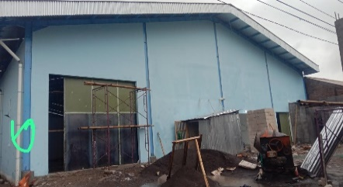
 |  |  |  |  | 12 | Schoor
 |  |  |  |  | 13

APP
 |  |  |  |  | Bongkar Pasang Konstruksi :
 |  |  |  |  | Pasang |  |  |  | Bongkar
 |  |  |  |  | C12-350 E |  | BTG | 1
 |  |  |  |  | CC1-A |  | U | 1
SYG05-135
1 C12-350 E
1 CC1-A 3 MTR
2 CM5-5
1 CM2-12
1 CM2-12A
1 G312-A 50 KVA
2 CM2-11M
2 SJ6
1 SR APP 3 PH
A
 |  |  |  |  | CM5-5 |  | U | 2
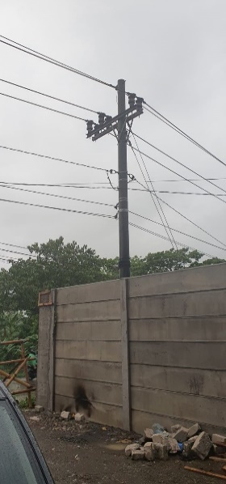
 |  |  |  |  | CG312-A 50 KVA |  | U | 1
37 m
37 m
 |  |  |  |  | CM2-11M |  | U | 2
SYG05-136
 |  |  |  |  | SJ6 |  | U | 2
 |  |  |  |  | CM2-12 |  | U | 1
 |  |  |  |  | CM2-12A |  | U | 1
 |  |  |  |  | SR APP 3 PH |  | U | 1

APP
APP

s
s

s
s

 |  |  |  |  | Keterangan Tambahan : -6.9787854,110.5329673

 |  |  |  |  | Golongan
 |  |  |  |  | No. Gambar |  | 1 |  |  | Lembar |  | dr
 |  |  |  |  | Gambar dari |  |  |  |  | Skala
 |  |  |  |  | Perihal:
 |  |  |  |  | CV CHRISTY INDOJAYA
 |  |  |  |  | DESA BULUSARI SAYUNG

 |  |  |  |  | Digambar |  | Staf Teknik
 |  |  |  |  | Diperiksa |  | TL. Teknik
 |  |  |  |  | Diketahui |  | Manager ULP
 |  |  |  |  | Disetujui |  | Man. Perencanaan

PETA
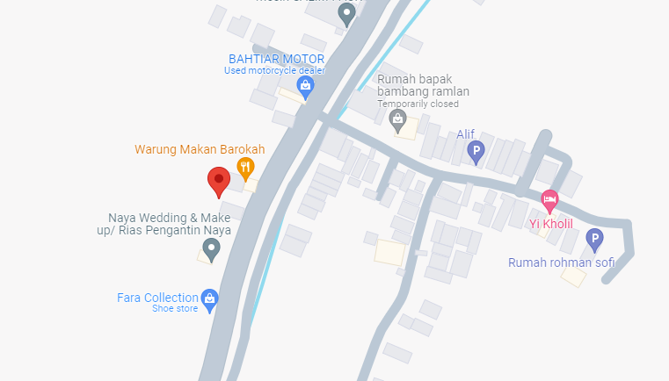
PETA LOKASI PELANGGAN

KOORDINAT LOKASI : -6.9787854,110.5329673

SLD
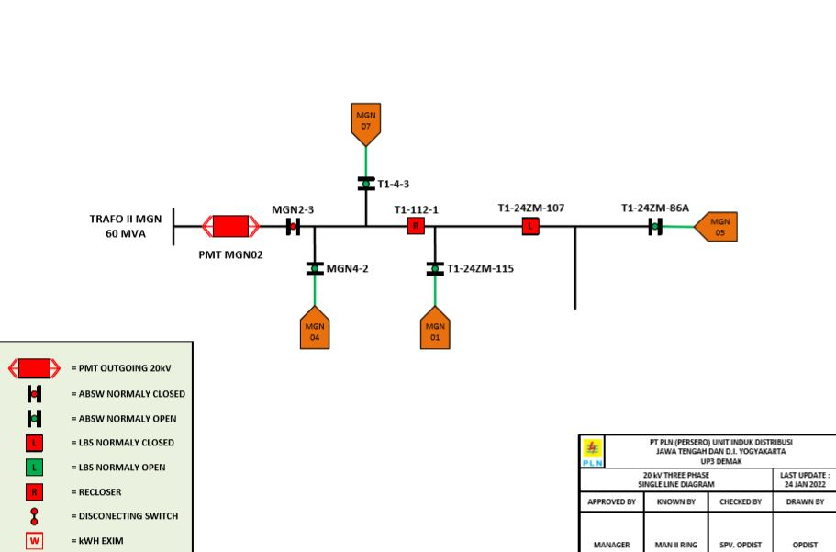
SINGLE LINE DIAGRAM LOKASI PELANGGAN

